FILE
Alexander McQUEEN - Sneakers Oversize |  |  |  |  | EU SIZES |  |  |  |  |  |  |  |  |  |  |  |  |  |  |  |  | 243
Style Number | Gender | Color Code | Color |  | 34 | 34.5 | 35 | 35.5 | 36 | 36.5 | 37 | 37.5 | 38 | 38.5 | 39 | 39.5 | 40 | 40.5 | 41 | 41.5 | 42 | TTL Units | Euro Retail
553770WHGP7 | Woman | 9182 | PATCHOULI |  |  |  |  |  | 1 |  | 1 | 1 | 1 |  |  |  |  |  |  |  |  | 4 | 490.00 €
553770WHGP7 | Woman | 9676 | LUST RED |  |  |  | 19 | 22 | 49 | 21 | 14 | 2 | 15 | 8 | 9 | 3 | 2 |  |  |  |  | 164 | 490.00 €
553770WHGP7 | Woman | 9061 | WHITE/BLACK | 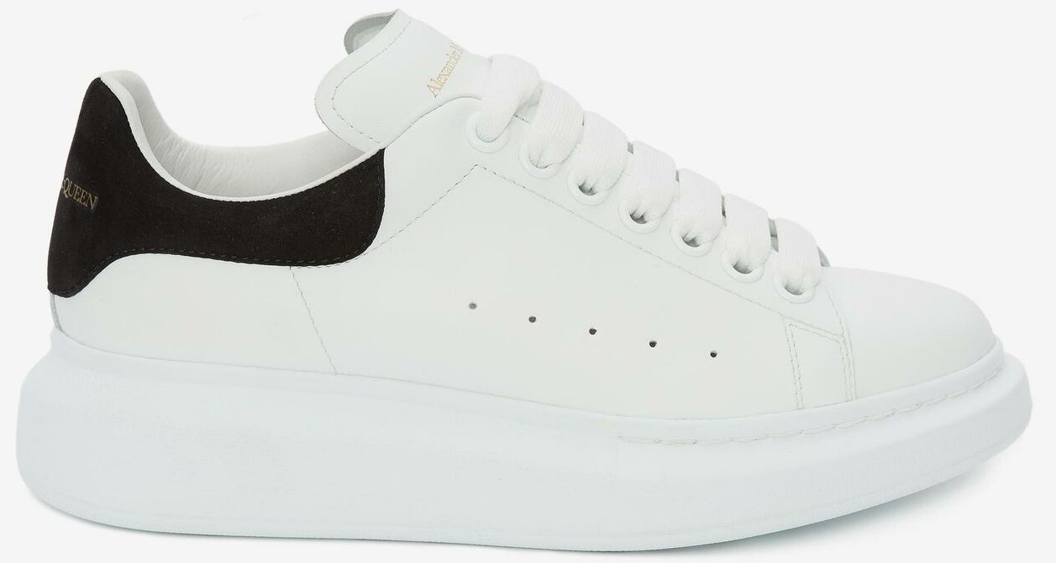 |  |  |  | 2 |  | 2 |  |  |  |  |  |  |  |  |  |  |  | 4 | 490.00 €
553770WHGP7 | Woman | 9086 | PARIS BLUE |  |  |  | 4 |  |  |  | 17 | 1 | 17 |  | 2 |  | 1 |  | 1 |  |  | 43 | 490.00 €
553770WHGP7 | Woman | 9048 | DREAM BLUE |  |  |  | 5 |  | 15 |  | 9 |  | 1 |  |  |  | 2 |  |  |  |  | 32 | 490.00 €

Alexander McQUEEN - Sneakers Oversize |  |  |  |  | EU SIZES |  |  |  |  |  |  |  |  |  |  |  |  |  |  |  |  | 353
Style Number | Gender | Color Code | Color |  | 39 | 39.5 | 40 | 40.5 | 41 | 41.5 | 42 | 42.5 | 43 | 43.5 | 44 | 44.5 | 45 | 45.5 | 46 | 46.5 | 47 | TTL Units | Euro Retail
553680WHGP7 | Man | 9086 | PARIS BLUE | 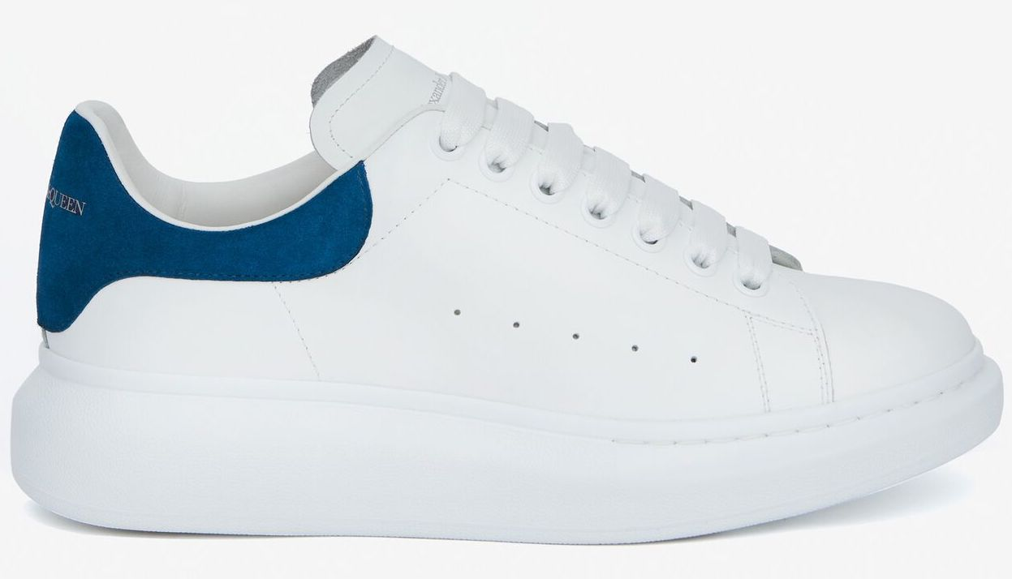 | 12 |  | 19 | 1 | 29 | 3 | 7 | 2 | 14 | 3 | 3 | 1 |  |  | 1 |  |  | 95 | 490.00 €
553680WHGP7 | Man | 9676 | LUST RED | 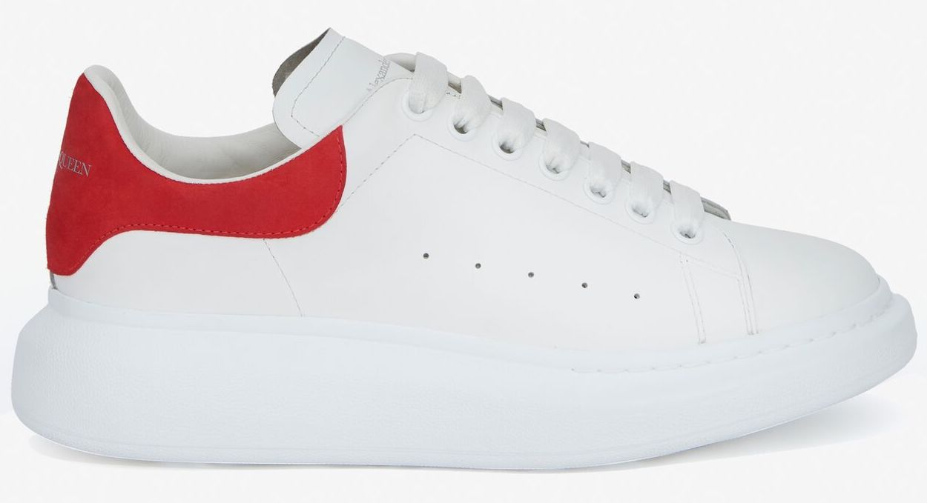 | 13 |  | 9 | 1 | 7 | 1 | 8 | 2 | 8 | 1 | 1 | 1 |  |  | 2 |  |  | 54 | 490.00 €
553680WHGP5 | Man | 9061 | WHITE/BLACK | 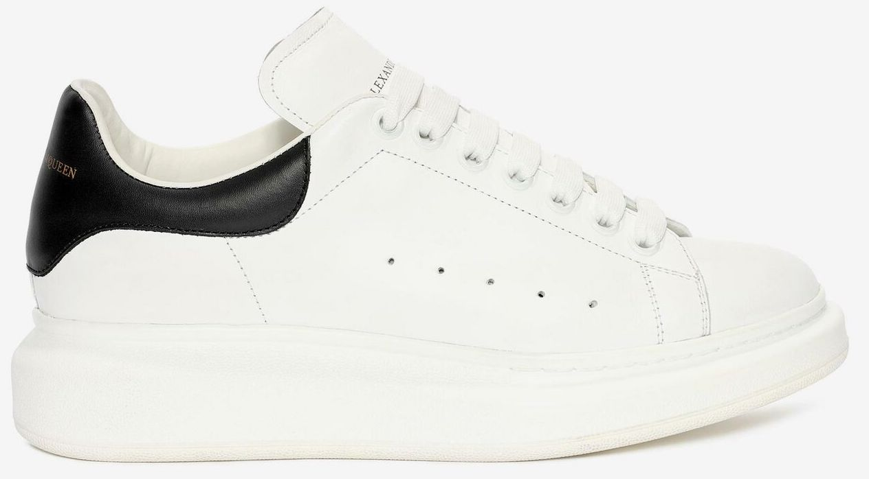 | 11 |  | 21 |  | 49 |  | 53 |  | 31 |  | 15 |  | 9 |  | 5 |  |  | 194 | 490.00 €
553680WHGP5 | Man | 1070 | BLACK/WHITE |  |  |  |  |  | 1 |  | 2 |  | 6 |  | 1 |  |  |  |  |  |  | 10 | 490.00 €

